Sheet1
LFAR, Hours Managed and Variances for Beau Thurman (2021 - 2025)

Year | Client | PIC | LFAR | Variances | % Variance | Hours Managed as PM | Hours Worked | % Worked by PM
2021 | ArcelorMittal Minorca Mine Inc. | ELB Boleman, Erik |  | (22) | 0% |  | - | 0%
2021 | Cleveland-Cliffs Minorca Mine Inc. | ELB Boleman, Erik | 28,703 | (1) | 0% | 192.3 | 114.1 | 59%
2021 | Minnesota Power | ELB Boleman, Erik | 6,121 | (33) | -1% | 34.2 | 21.4 | 63%
2021 | Monroe Energy, LLC | CDM Mead, Corey | 195,486 |  | 0% | 1,309.0 | 163.1 | 12%
2021 | Superior Refining Company LLC | CDM Mead, Corey | 16,891 | (30) | 0% | 120.3 | 61.3 | 51%
2021 | TransCanada Pipelines, Ltd. | RCH2 Hardegger, Richard | 167 | (58) | -35% | 1.1 | 0.6 | 55%
2021 | TransCanada Pipelines, Ltd. | BMR Renkas, Blaine | 3,829 |  | 0% | 27.0 | 13.6 | 50%
 | 2021 Total |  | 251,196 | (143) | 0% | 1,683.9 | 374.1 | 22%
2022 | BASF Corporation | BPG Greenwald, Brian | 42,593 |  | 0% | 254.8 | 72.7 | 29%
2022 | Cleveland-Cliffs Minorca Mine Inc. | ELB Boleman, Erik | 11,195 | (20) | 0% | 69.1 | 48.6 | 70%
2022 | HF Sinclair Corporation | CDM Mead, Corey | 20,418 |  | 0% | 120.6 | 92.0 | 76%
2022 | Minnesota Power | ELB Boleman, Erik | 2,090 | (414) | -20% | 9.8 | 1.9 | 19%
2022 | Monroe Energy, LLC | CDM Mead, Corey | 198,163 |  | 0% | 1,272.4 | 82.9 | 7%
2022 | Superior Refining Company LLC | CDM Mead, Corey | 38,534 | (98) | 0% | 302.4 | 120.1 | 40%
2022 | Tesoro Alaska Company | JAT Trinkle, Joel | 61,654 | (83) | 0% | 368.7 | 134.5 | 36%
2022 | Tesoro Refining & Marketing Company, LLC | AAW Widboom, Anthony | 3,802 | (47) | -1% | 21.6 | 20.7 | 96%
2022 | TransCanada Pipelines, Ltd. | BMR Renkas, Blaine | 1,754 | (165) | -9% | 10.2 | 9.5 | 93%
2022 | TransCanada USA Pipeline Services LLC | AMS Shoberg, Anthony | 21,149 |  | 0% | 138.3 | 86.0 | 62%
2022 | Whiting Petroleum Corporation | AMS Shoberg, Anthony | 48,500 | (128) | 0% | 307.1 | 127.1 | 41%
 | 2022 Total |  | 449,850 | (955) | 0% | 2,875.0 | 796.0 | 28%
2023 | 3M | ACD Driscoll, Adam | 38,184 |  | 0% | 207.6 | 54.2 | 26%
2023 | BASF Corporation | BPG Greenwald, Brian | 35,654 | (348) | -1% | 215.0 | 79.8 | 37%
2023 | Chord Energy | AMS Shoberg, Anthony | 11,735 | (216) | -2% | 85.0 | 27.0 | 32%
2023 | Cleveland-Cliffs Minorca Mine Inc. | ELB Boleman, Erik | 4,217 | (315) | -7% | 22.0 | 17.2 | 78%
2023 | HF Sinclair Corporation | CDM Mead, Corey | 10,196 | (44) | 0% | 53.7 | 48.6 | 91%
2023 | Monroe Energy, LLC | CDM Mead, Corey | 30,340 |  | 0% | 180.1 | 12.0 | 7%
2023 | Monroe Energy, LLC | JAT Trinkle, Joel | 161,396 |  | 0% | 1,033.9 | 40.6 | 4%
2023 | Redlog Project Management Services LLC | AMS Shoberg, Anthony | 5,167 | (168) | -3% | 33.0 | 15.1 | 46%
2023 | Superior Refining Company LLC | CDM Mead, Corey | (37) | (23) | 0% | - | - | 0%
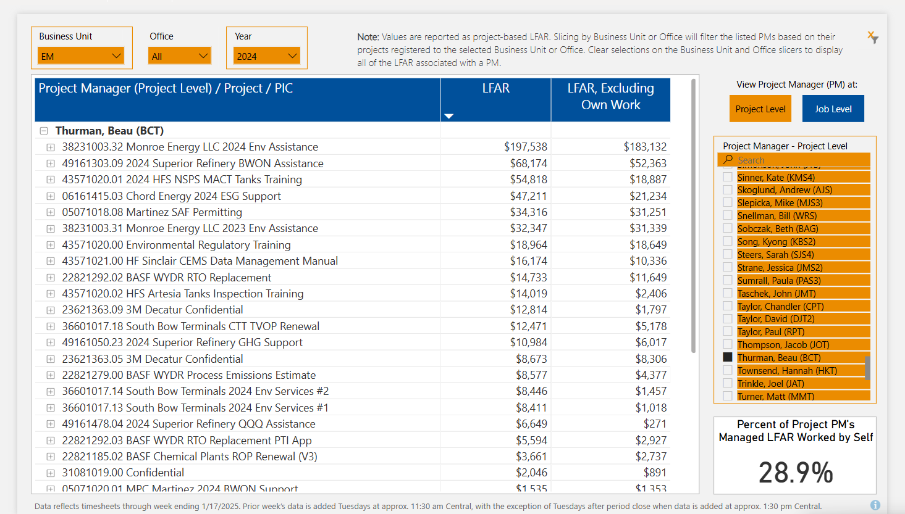
2023 | Superior Refining Company LLC | JAT Trinkle, Joel | 39,532 |  | 0% | 268.3 | 124.3 | 46%
2023 | TC Oil PL Operations Inc. | AMS Shoberg, Anthony | 3,441 |  | 0% | 24.3 | 7.5 | 31%
2023 | TransCanada Pipelines, Ltd. | BMR Renkas, Blaine | 2,490 |  | 0% | 14.1 | 11.3 | 80%
2023 | TransCanada USA Pipeline Services LLC | AMS Shoberg, Anthony | 20,798 |  | 0% | 133.6 | 86.1 | 64%
 | 2023 Total |  | 363,112 | (1,112) | 0% | 2,270.6 | 523.7 | 23%
2024 | 3M | Driscoll, Adam | 21,487 |  | 0% | 109.2 | 52.8 | 48%
2024 | BASF Corporation | Greenwald, Brian | 32,564 |  | 0% | 250.7 | 53.0 | 21%
2024 | Chord Energy | Shoberg, Anthony | 47,211 |  | 0% | 273.6 | 123.7 | 45%
2024 | HF Sinclair Corporation | Trinkle, Joel | 16,065 | (3,950) | -25% | 81.3 | 60.8 | 75%
2024 | Monroe Energy, LLC | Trinkle, Joel | 229,885 |  | 0% | 1,452.8 | 73.4 | 5%
2024 | South Bow (Canada) LP | Renkas, Blaine | 382 |  | 0% | 1.9 | 1.9 | 100%
2024 | South Bow (USA) LP | Trinkle, Joel | 8,411 |  | 0% | 42.8 | 36.6 | 86%
2024 | South Bow (USA) LP | Shoberg, Anthony | 22,789 |  | 0% | 135.4 | 74.8 | 55%
2024 | Superior Refining Company LLC | Trinkle, Joel | 47,413 |  | 0% | 311.4 | 133.0 | 43%
2024 | TC Oil PL Operations Inc. | Shoberg, Anthony | (587) | (64) | 0% | (3.1) | (2.7) | 0%
2024 | Tesoro Refining & Marketing Company, LLC | Widboom, Anthony | 35,851 |  | 0% | 165.3 | 16.0 | 10%
2024 | TransCanada Pipelines, Ltd. | Renkas, Blaine | (44) |  | 0% | (0.4) | - | 0%
2024 | TransCanada USA Pipeline Services LLC | Shoberg, Anthony | (1,607) | (31) | 0% | (8.7) | (4.0) | 0%
 | 2024 Total |  | 459,821 | (4,045) | -1% | 2,812.2 | 619.3 | 22%
2025 | 3M | ACD Driscoll, Adam | 5,410 | (123) | -2% | 28.7 | 8.5 | 30%
2025 | BASF Corporation | BPG Greenwald, Brian | 23,067 |  | 0% | 195.3 | 25.8 | 13%
2025 | Chord Energy | AMS Shoberg, Anthony | 1,585 | (23) | -1% | 13.5 | 7.9 | 59%
2025 | Cleveland-Cliffs Minorca Mine Inc. | ELB Boleman, Erik | 16,959 | (717) | -4% | 85.7 | 32.5 | 38%
2025 | HF Sinclair Corporation | JAT Trinkle, Joel | 110,627 | (130) | 0% | 558.3 | 411.5 | 74%
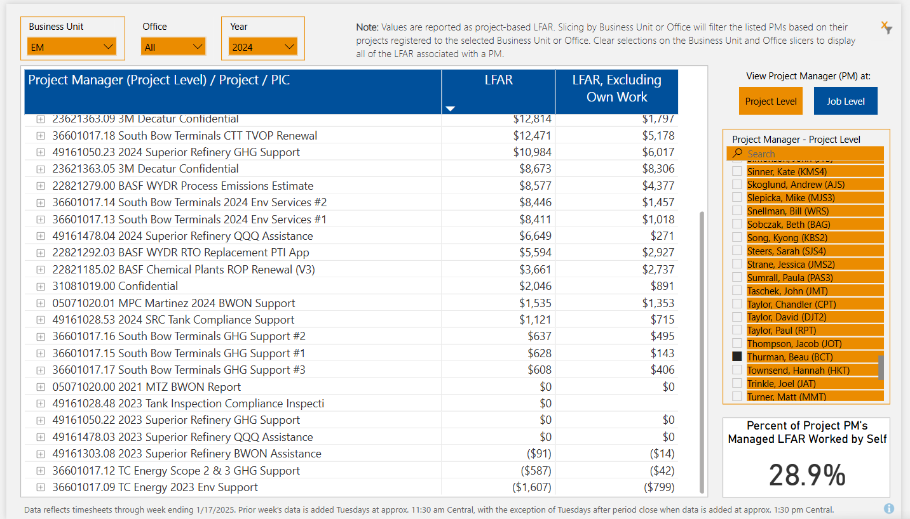
2025 | HF Sinclair Corporation | ELB Boleman, Erik | 23,373 |  | 0% | 144.4 | 31.0 | 21%
2025 | Marathon Petroleum Company LP | JAT Trinkle, Joel | 29,047 | (10) | 0% | 155.4 | 56.3 | 36%
2025 | Monroe Energy, LLC | JAT Trinkle, Joel | 204,422 |  | 0% | 1,194.5 | 39.8 | 3%
2025 | Scranton Holding Company | RDS Siats, Ryan | 836,724 |  | 0% | 4,963.1 | 605.6 | 12%
2025 | South Bow (Canada) LP | BMR Renkas, Blaine | 4,786 |  | 0% | 31.9 | 8.2 | 26%
2025 | South Bow (USA) LP | AMS Shoberg, Anthony | 19,463 | (275) | -1% | 117.8 | 40.6 | 34%
2025 | Superior Refining Company LLC | JAT Trinkle, Joel | 97,031 | (165) | 0% | 674.5 | 127.3 | 19%
2025 | Tesoro Refining & Marketing Company, LLC | AAW Widboom, Anthony | 8,331 | (374) | -4% | 45.3 | 15.7 | 35%
 | 2025 Total |  | 1,380,823 | (1,815) | 0% | 8,208.4 | 1,410.7 | 17%

 |  | `

